BUGS BACKEND
Bugs Backend

Affected test cases | Bug names | Steps to reproduce bugs | Expected Result (Output) | Actual Result (Behavior) | Priority | Evidence
TC11 TC26 TC38 | Bug 1 | Product | HTTP Status Code Error: 201 Created Returned Instead of 200 OK | Perform the following steps in Postman: Select the collection: QA Challenge Click on the folder: Product Management Click on the folder: Create Product Click on the folder: TC11: Validate successful creation of a product Select the request: Create product and send the request with the following: POST: {{base_url}}/api/Product Body: { "id": 1, "name": "Galletas", "price": 2 } With the following script: const body = pm.response.json(); pm.collectionVariables.set("idproduct", body.id) pm.test("It should show a status 200 ok", ()=>{ pm.response.to.have.status(200) }) Click on send the request: The server returns the response with a status of 201 Create, creating the product. | *Should give status 200 ok | *Returns a 201 created status | Moderate
TC15 TC31 | Bug 2 | Product | Allows you to create a product with a negative price | Perform the following steps in Postman: Select the collection: QA Challenge Click on the folder: Product Management Click on the folder: Create Product Click on the folder: TC15: Validate failure to create a product using a negative price Select the request: Do not create product and send the request with the following: POST: {{base_url}}/api/Product Body: { "id": 2, "name": "Arroz", "price": -1234 } With the following script: const body = pm.response.json(); pm.test("It should show a status 400 Bad Request", ()=>{ pm.response.to.have.status(400) }); Click on send the request: The server returns the response with a status of 201 Create, thus showing that the product with a negative price was created. | Should return a Status of 400 Bad Request. | *A 201 Craete was obtained *Create the product with the negative price | Very high | 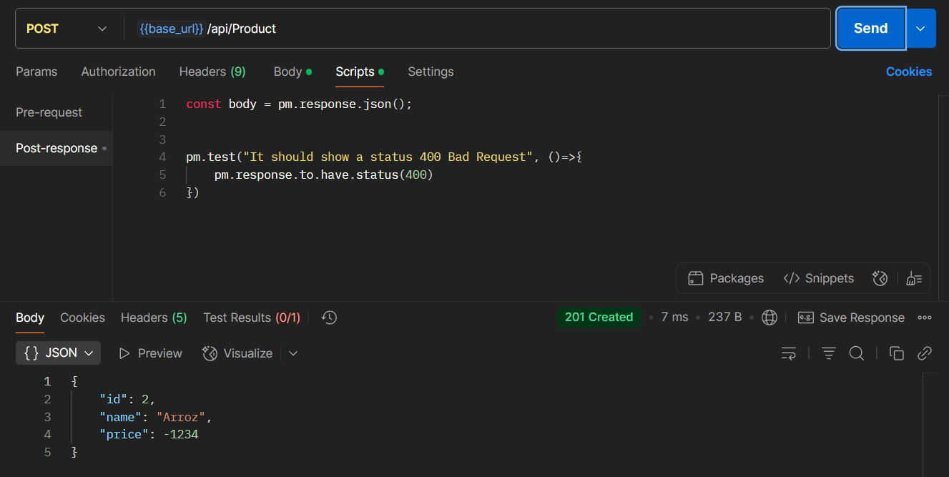
TC18 TC34 | Bug 3 | Producto | Allows you to create a product without a name (Null) | Perform the following steps in Postman: Select the collection: QA Challenge Click on the folder: Product Management Click on the folder: Create Product Click on the folder: TC18: Validate failure to create a product with the name field null Select the request: Do not create product and send the request with the following: POST: {{base_url}}/api/Product Body: { "id": 8, "name": null, "price": 3 } With the following script: const body = pm.response.json(); pm.collectionVariables.set("idproductNameNUll", body.id) pm.test("It should show a status 400 Bad Request", ()=>{ pm.response.to.have.status(400) }) Click on send the request: The server returns the response with a status of 201 Create, thus showing that the product with name null was created. | Should return a Status of 400 Bad Request. | *Returns a 201 created *A product with name null is created | High
TC21 TC37 | Bug 4 | Producto | Create product with previously used Ids | "Perform the following steps in Postman: Select the collection: QA Challenge Click on the folder: Product Management Click on the folder: Create Product Click on the folder: TC21: Validate not being able to create a Product using a previously used id Select the request: Do not create product and send the request with the following: POST: {{base_url}}/api/Product Body: { "id": "{{idproduct}}", "name": "Chocolate", "price": 23 } With the following script: const body = pm.response.json(); pm.test("It should show a status 400 Bad Request", ()=>{ pm.response.to.have.status(400) }) Click on send the request | Should return a Status of 400 Bad Request. | *Returns a 201 created status *A product is created with a previously used id | Very high
TC26 | Bug 5 | Producto | Does not update product id | Perform the following steps in Postman: Select the collection: QA Challenge Click on the folder: Product Management Click on the folder: Put Product Click on the folder: TC21: Validate not being able to create a Product using a previously used id Select the request: Put product and send the request with the following: PUT: {{base_url}}/api/Product/{{idproduct}} Body: { "id": 10, "name": "Galletas 23", "price": 7 } With the following script: const body = pm.response.text(); pm.collectionVariables.set("idProductActualizado", body.id) pm.test("It should show a status 200 ok", ()=>{ pm.response.to.have.status(200); }); Select the request: Get product and send the request with the following: GET: {{base_url}}/api/Product/{{idproduct}} With the following script: const body = pm.response.json(); const expectedId= 10; const expectedName= "Galletas23"; const expectedPrice= 7; pm.test("It should show a status 200 Created", ()=>{ pm.response.to.have.status(200); }); pm.test("It should show expeted Results", ()=>{ pm.expect(body.id).to.eql(expectedId); pm.expect(body.name).to.eql(expectedName); pm.expect(body.price).to.eql(expectedPrice); });Click on send the request: In the execution of the get request we can see that the other fields are updated but the id is not. | *Should display a 200 OK status *Should update all fields | *Displays a 204 No Content status * Do not update the ID | Very High

TC 42 TC72 | Bug 6 | Order | Incorrect HTTP Status Code on Order Creation (201 Created instead of 200 OK) | Perform the following steps in Postman: Select the collection: QA Challenge Click on the folder: Order Processing Click on the folder: Create Order Click on the folder: TC42: Validate order creation successfully Select the request: Create order and send the request with the following: POST:{{base_url}}/api/order Body: { "id": 1, "productName": "Harina", "quantity": 10, "status": "Activo" } With the following script: const body = pm.response.json(); pm.collectionVariables.set("idorder", body.id) pm.test("It should show a status 200 Ok", ()=>{ pm.response.to.have.status(200); }); Click on send the request Select the request: Get order and send the request with the following: GET:{{base_url}}/api/order/{{idorder}} With the following script: const body = pm.response.json(); pm.test("It should show a status 200 ok", ()=>{ pm.response.to.have.status(200); }); Click on send the request | *Should give status 200 ok | *Returns a 201 created status | Moderate

TC49 | Bug 7| Order | Allows you to create an order with a null Productname | Perform the following steps in Postman: Select the collection: QA Challenge Click on the folder: Order Processing Click on the folder: Create Order Click on the folder: TC49: Validate order creation failure leaving productName field null Select the request: Not creating order and send the request with the following: POST:{{base_url}}/api/order Body: { "id": 323, "productName": null, "quantity": 23, "status": "activo" } With the following script: const body = pm.response.json(); pm.test("It should show a status 400 Bad Request", ()=>{ pm.response.to.have.status(400); });Click on send the request | * It should show status 400 Bad Request | *A 201 Craete was obtained *An order is created with ProductName null | High
TC51 | Bug 8 | Order | Bug in the restriction mechanism: 'status' allows null values ​​to be assigned | Perform the following steps in Postman: Select the collection: QA Challenge Click on the folder: Order Processing Click on the folder: Create Order Click on the folder: TC51: Validate order creation failure leaving status null Select the request: Not creating order and send the request with the following: POST:{{base_url}}/api/order Body: { "id": 323, "productName": "carne", "quantity": 98, "status": null } With the following script: const body = pm.response.json(); pm.test("It should show a status 400 Bad Request", ()=>{ pm.response.to.have.status(400); }); Click on send the request | * It should show status 400 Bad Request | *A 201 Craete was obtained. *An order is created that has a null status | High
TC53 | Bug 9 | Order |*Validation failed: creation of orders with existing identifiers is allowed | Perform the following steps in Postman: Select the collection: QA Challenge Click on the folder: Order Processing Click on the folder: Create Order Click on the folder:TC53: Validate order creation failure with identical ids Select the request: Not creating order and send the request with the following: POST:{{base_url}}/api/order Body: { "id": 1, "productName": "Huesos", "quantity": 13, "status": "Activo" } With the following script: const body = pm.response.json(); pm.test("It should show a status 400 Bad Request", ()=>{ pm.response.to.have.status(400); }); Click on send the request | * It should show status 400 Bad Request | *Returns a 201 created status *Creates order with existing ID | Very high
TC58 TC69 TC67 | Bug 10 | Order | Does not update the order | Perform the following steps in Postman: Select the collection: QA Challenge Click on the folder: Product Management Click on the folder: Put Product Click on the folder: TC58: Validate update of an order successfully Select the request: Put product and send the request with the following: PUT: {{base_url}}/api/order/{{idorder}} Body: { "id": 2, "productName": "Maiz", "quantity": 98, "status": "activo" } const body = pm.response.text(); pm.test("It should show a status 200 ok", ()=>{ pm.response.to.have.status(200); }); Select the request: Get order and send the request with the following: GET:{{base_url}}/api/order/{{idorder}} With the following script: const body = pm.response.json(); const expectedID= 2; const expectedproductName= "Maiz"; const expectedquantity= 98; const expectedstatus= "activo"; pm.collectionVariables.set("idOrderActualizado", body.id) pm.test("It should show a status 200 Created", ()=>{ pm.response.to.have.status(200); }); pm.test("It should show expeted Results", ()=>{ pm.expect(body.id).to.eql(expectedID); pm.expect(body.productName).to.eql(expectedproductName); pm.expect(body.quantity).to.eql(expectedquantity); pm.expect(body.status).to.eql(expectedstatus); });Click on send the request | *Should display a 200 OK status *Should update all fields" | *Displays a 204 No Content status * Does not update | Very high

FRONTED TEST EXECUTE
Frontend Test Execute and Reporting

Description | Preconditions | Action | Data | Expected Results | Results Obtained | Observaciones | Evidence | PASS | Bug
TC1: Validate successful login by entering the correct username and password. | *The user must be previously registered. *The user must be logged in to the user authentication interface. *The user must have a username and password. | *Enter valid username and password | username: testuser password: password | *The user must log in | *Login successfully | *When logging in, the token may be displayed, which can cause security issues. | 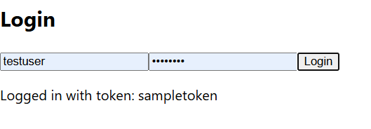 | PASSED
TC2: Validate that cannot log in by leaving the Username field empty and the Password correct. |  | *Leave the username field empty and the password field valid | username: password: password | *It should login failed | *Login failed |  |  | PASSED
TC3: Validate Unable to log in using correct Username and empty Password. |  | Enter a valid username and leave the password field empty. | username: testuser password: | *It should login failed | *Login failed |  |  | PASSED
TC4: Validate Unable to log in leaving all fields empty. |  | Send both the username and password fields empty. | username: password: | *It should login failed | *Login failed |  |  | PASSED
TC5: Validate Unable to log in using correct Username and incorrect Password. |  | Enter the correct username and an invalid password. | username: testeruser password: !##%/&()(&%&#" | *It should login failed | *Login failed |  |  | PASSED
TC6: Validate Unable to log in using incorrect username and correct password. |  | Enter invalid data in both fields | username: 23345 password: "vgersder" | *It should login failed | *Login failed |  |  | PASSED
TC7: Validate Unable to log in leaving Username empty and Password incorrect. |  | Send the username field empty and the password field invalid | username: password: 12345678 | *It should login failed | *Login failed |  |  | PASSED
TC8: Validate Unable to log in using Incorrect Username and Empty Password. |  | Send the name field invalid and the password field empty. | username: juan password: 12345678 | *It should login failed | *Login failed |  |  | PASSED
TC9: Validate successful session close

Improvement Proposal: To optimize user experience, it is recommended to implement clear and specific error messages that indicate exactly which field is invalid or requires correction. This will allow users to identify and resolve the issue efficiently, improving the system's perceived quality and avoiding confusion. An example could be: 'The username field cannot be empty.' 'The entered username is invalid. Please verify and try again.' With this improvement, the interaction becomes more intuitive and aligns with best practices in interface design and usability.

